TestSummary
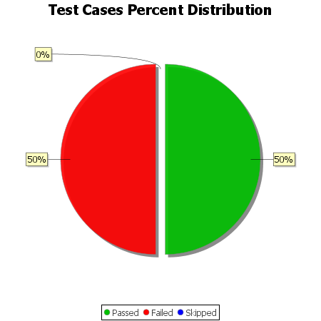
Total Test Cases | 10
Test Cases Passed | 5
Test Cases Failed | 5
Test Cases Skipped | 0

